Sheet1
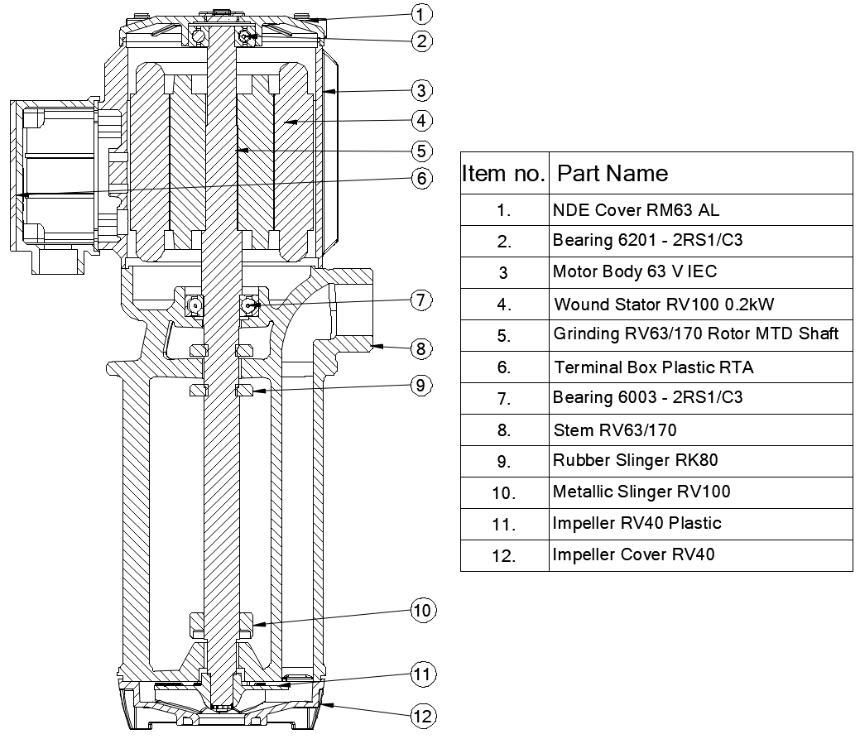
Model: | RV40/170 - SPL |  |  | Speciality (if Any):
 |  |  |  | Special Code: |  | SPL
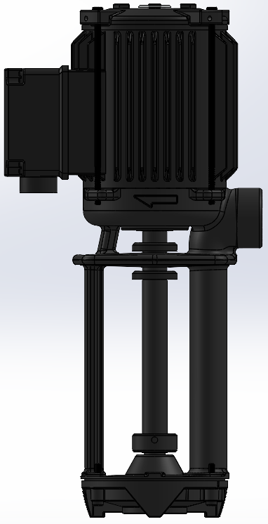 |  |  |  | Description of Speciality

Technical Data
Power (kW) |  | 0.12 | Rated Current (A) |  | 0.85 / 0.45
Voltage (V) |  | 220-440 | Efficiency Level |  | IE2
Frequency (Hz) |  | 60 | Insulation Class |  | F
RPM |  | 3440 | Duty |  | S1
Outlet Size |  | G 3/4" BSPP | Flow (LPM) @Head(M)
Material Of Construction
Impeller |  | Plastic | Mechanical seal |  | No
Impeller cover |  | Plastic | Bush Bearings |  | No
Stem (pump body) |  | Cast Iron | Shaft |  | EN8 / SS410

Operating conditions
Max Ambient Temp. |  | 40℃ | Installation |  |  | Vertical
Max. Liquid Temp |  | 60℃ | Min. Filtration level |  |  | < 200 microns
Max On/Off Cycle |  | 40 /Hr | Max. Viscocity (for given motor rating) (For higher viscosity contact factory) |  |  | 15 CST
(Please Check with factory for more information on this)
Dimensional Details
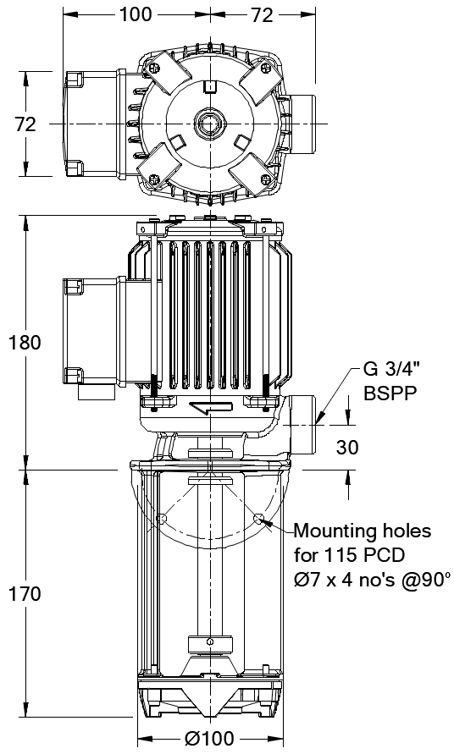

HQ Performance Curve
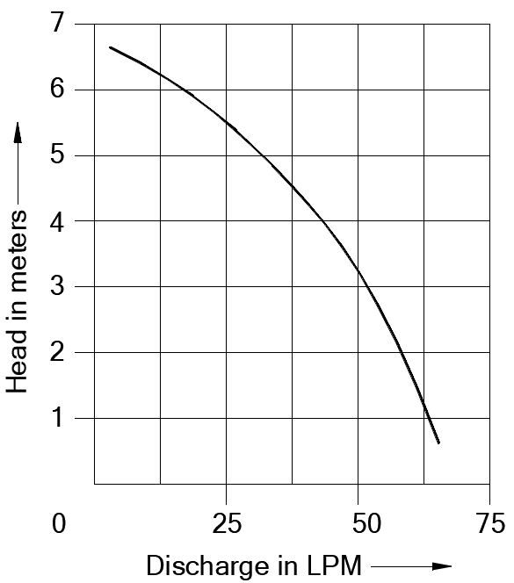

Parts List- Cross Section View (2D)

